Sorting and filtering
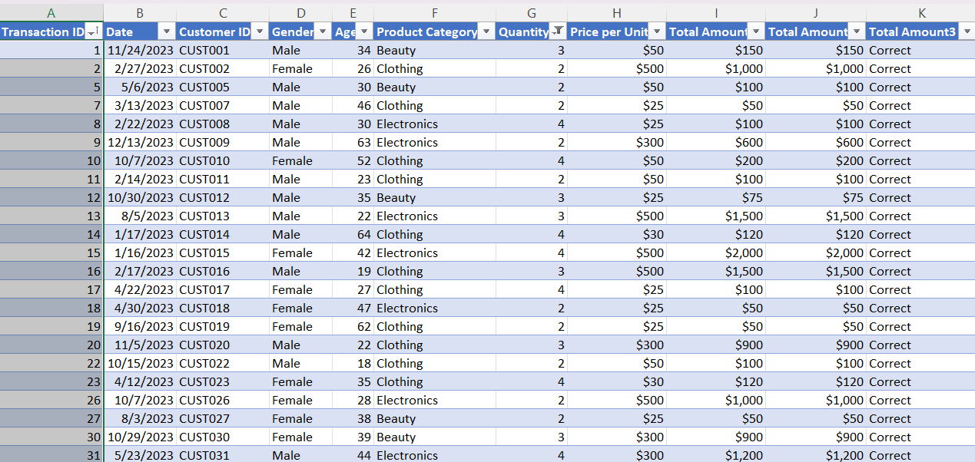
Sorting and filtering

1. Which transaction has the highest total amount? | 2. Show only transactions where Product Category is Clothing.
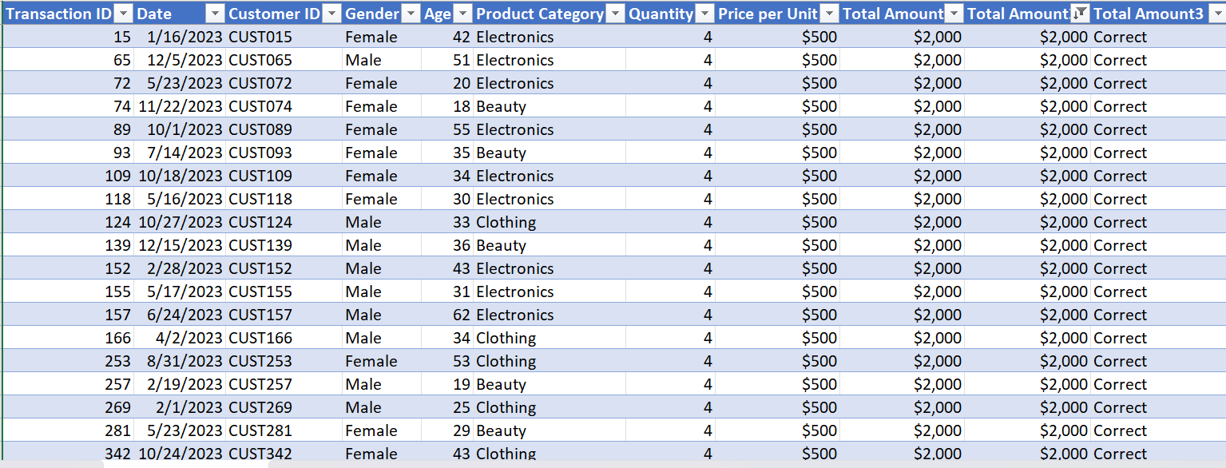
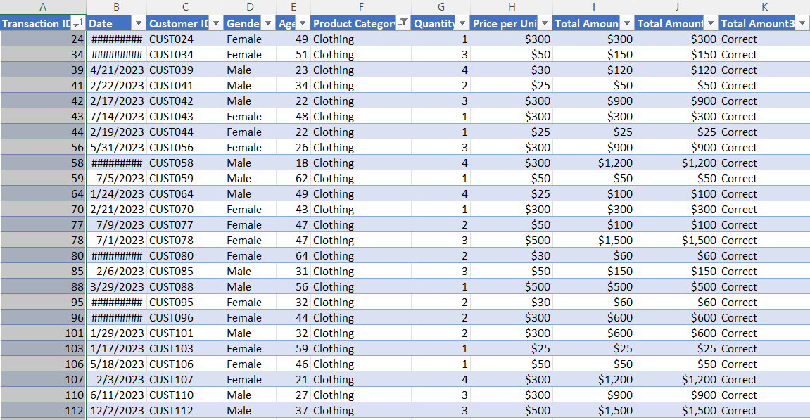

3. Show only transactions where Gender is Female.
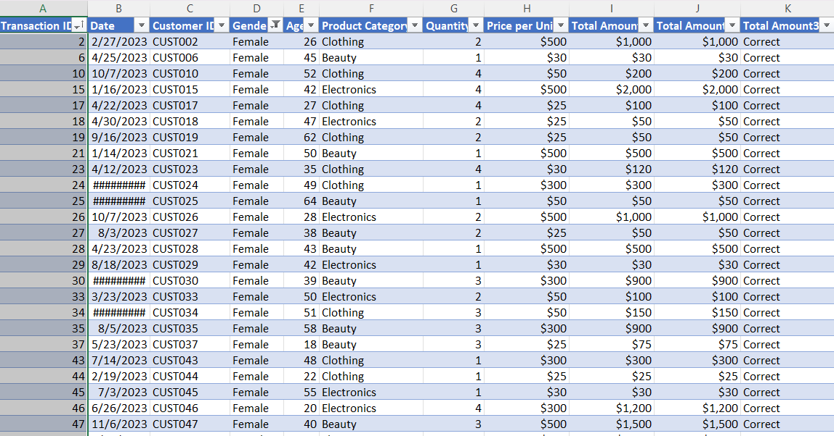
 | 4. Show only transactions where Quantity is greater than 2.

Charts
Total Sales by Category
 | Total Sales
Beauty | $143,515
Clothing | $155,580
Electronics | $156,905
Total Quantity Sold by Category
 | Total Quantity Sold
Beauty | 771
Clothing | 894
Electronics | 849

Total Sales by Gender
 | Total Sales
Male | 223160
Female | 232880

